Sheet1
Life Membership Calculator |  | Value | Discount

Current Total Value (Set by Cycling UK) |  | £1,200.00

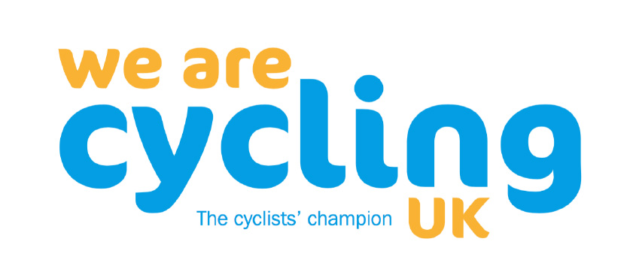
Your age in years |  | 0 | £-
1% for every full year of age up to 71

The number of year's you have subscribed to Cycling UK |  | 0 | £-
0.5% for every full year subscription paid by the member

The cost of Cycling UK Life Membership | £ | 1200.00

