Further Info
YouGov Omnibus offers a range of specialist services alongside our daily GB Omnibus survey. To find out more, call 020 7012 6231, visit yougov.co.uk/find-solutions/omnibus or click any of the links below to find out more about some of our most popular services:

Omnibus is a great way to generate statistics, and those all-important open-ended responses from your audience can add the human-interest side to make your research story more real. But what if you could really see and hear these people? What if you could show your potential new client their typical would-be customer, to bring your pitch to life? Well, now you can! YouGov’s YouSay is our brand new innovation that enables you to actually meet the people behind the numbers. We combine engaging, beautifully edited vox pop videos with the power of our connected data, giving you full profiling of the people you see and hear from. You can tailor exactly who you want to meet based on groups identified on their demographics, attitudes, behaviours or how they responded to your Omnibus research. The easy to view short videos feature YouGov panellists self-recording their opinions as video Selfies. | Profiles is our segmentation and media planning product for agencies and brands.
 | This product is powered by data collected in the YouGov Cube – our connected data vault which holds over 241,000 data points, collected from over 330,000 UK YouGov members.
 | Use YouGov Profiles to get the profile of your target audience across multi-
 | channel data sets with greater granularity and accuracy than ever before.
 | Click here to find out more information.
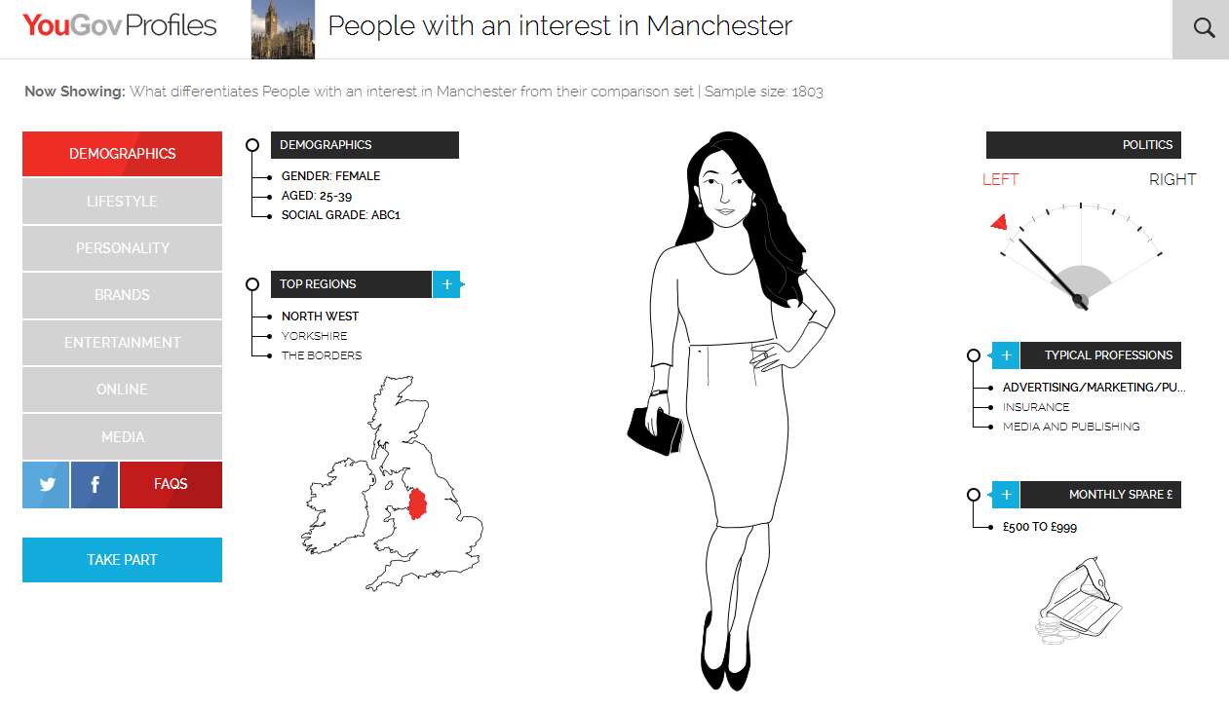

Click here to contact our Qualitative Research Team for more, or click the screenshot below to explore the product further and watch our “free from” foods case study:

